Manifest
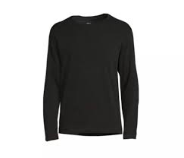
Athletic Works Men's Black T-Shirts
Pallet # | Style # | Retail | Color | Size | Picture | Total Units
1 | AW31100027727 | $7.84 | Black | Med |  | 1,920

Athletic Works Men's Black T-Shirts
Pallet # | Style # | Retail | Color | Size | Picture | Total Units
2 | AW31100027727 | $7.84 | Black | Med |  | 1,680

Athletic Works Men's Black T-Shirts
Pallet # | Style # | Retail | Color | Size | Picture | Total Units
3 | AW31100027727 | $7.84 | Black | Med |  | 1,680

 |  |  |  |  |  | 3,600

